Sheet1
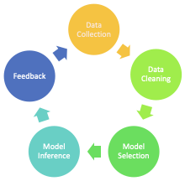
Nifty Top Losers |  | Nifty Top Gainers
ASHLEY | -3% | HUL | 5%
ITC | -5% | RELIANCE | 1%

